Sheet1
SP METROLOGY SYSTEM THAILAND |  |  |  |  |  | Certificate No. : |  |  |  |  |  |  |  | Page 1 of 1
 |  |  |  |  |  | Receive Date : |  |  |  |  | Calibration Date :
Equipment Name |  |  |  |  |  | Temp & Humiduty : |  |  |  | oC |  | %RH
Test Siveve |  |  |  |  |  | Location:
Customer Name :
Equipment Name : |  |  |  |  |  |  |  | Manufacturer :
Model : |  |  |  |  |  | Serial No. : |  |  |  |  |  |  | ID No :
Range : |  | to |  |  | mm
Overall Inspection |  |  |  | Good |  | Not Good

Referance Standard : |  |  |  |  |  |  |  |  | Due Date :
Referance Standard : |  |  |  |  |  |  |  |  | Due Date :
Referance Standard : |  |  |  |  |  |  |  |  | Due Date :

x-opening
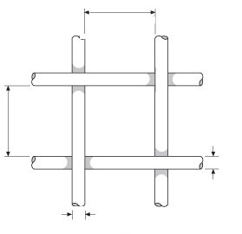
Wire Diameter Measurement
 | Normal Value | Plane |  | Standard Reading
 |  |  |  |  | X1 | X2 | X3 |  | X4
x-opening
x-wire diameter
 |  | X

x-wire diameter
 |  | Y

Opening size Measurement
 | Normal Value | Plane |  | Standard Reading
 |  |  |  |  | X1 | X2 | X3 |  | X4
 |  | X

 |  | Y

 | Calibrated By | :

 |  |  | 8 |  | Mr. Vichan Ananta
 |  |  | 9 |  | Mr.Kittikorn Kingmali
 |  |  | 10 |  | Mr.Chainarong Matchayamat
 |  |  | 11 |  | Ms. Arunkamon Raramanus

